Sheet 1 - HAT_ver_7.0.5_BOM Bat
200-220sets | 200sets | Comment from PCBWay |  | Changed… from last production run | Designator | Quantity | Value | Manufacturer | Manufacturer Part Number or Seed SKU | Link
$0.385 | $77.000 |  |  |  | BAT1 | 1 |  | Molex | 530470210 | https://www.digikey.com/products/en?keywords=530470210
$0.017 | $9.900 |  |  |  | C10 C9 C6 | 3 | 1 uF | KEMET | C0805C105K8PACTU | https://www.digikey.com/products/en/capacitors/ceramic-capacitors/60?k=C0805C105K8PACTU&k=&pkeyword=C0805C105K8PACTU&sv=0&pv7=2&sf=0&quantity=&ColumnSort=0&page=1&pageSize=25
$0.033 | $19.800 |  |  |  | C11 C12 C13 | 3 | 4.7 uF | Samsung Electro-Mechanics | CL21B475KPFNNNE | https://www.digikey.com/products/en/capacitors/ceramic-capacitors/60?k=CL21B475KPFNNNE&k=&pkeyword=CL21B475KPFNNNE&sv=0&pv7=2&sf=0&quantity=&ColumnSort=0&page=1&pageSize=25
$0.110 | $132.000 |  |  |  | C4 C16 C1 C2 C5 C3 | 6 | 10 uF | Samsung Electro-Mechanics | CL21A106MPFNNNE | https://www.digikey.com/products/en/capacitors/ceramic-capacitors/60?k=CL21A106MPFNNNE&k=&pkeyword=CL21A106MPFNNNE&sv=0&pv7=2&sf=0&quantity=&ColumnSort=0&page=1&pageSize=25
$0.110 | $132.000 |  |  |  | C7 C8 C14 C15 C17 C18 | 6 | 22 uF | KEMET | C0805C226M8PAC7800 | https://www.digikey.com/products/en/capacitors/ceramic-capacitors/60?k=C0805C226M8PAC7800&k=&pkeyword=C0805C226M8PAC7800&sv=0&pv7=2&sf=0&quantity=&ColumnSort=0&page=1&pageSize=25
$0.330 | $66.000 | V2F6-M3/H 7-10work days |  |  | D1 | 1 |  | ON Semiconductor | NRVTS260ESFT1G | https://www.digikey.com/products/en/discrete-semiconductor-products/diodes-rectifiers-single/280?k=NRVTS260ESFT1G&k=&pkeyword=NRVTS260ESFT1G&sv=0&pv7=2&sf=0&quantity=&ColumnSort=0&page=1&pageSize=25
$0.055 | $22.000 |  |  | add D3 | D2 D3 | 2 |  | ON Semiconductor | MMBD914LT1G | https://www.digikey.com/product-detail/en/on-semiconductor/MMBD914LT1G/MMBD914LT1GOSCT-ND/1139791
$0.275 | $110.000 |  |  |  | L2 L1 | 2 |  | Taiyo Yuden | NR6028T4R7M | https://www.digikey.com/products/en/inductors-coils-chokes/fixed-inductors/71?k=NR6028T4R7M&k=&pkeyword=NR6028T4R7M&sv=0&pv7=2&sf=0&quantity=&ColumnSort=0&page=1&pageSize=25
$0.055 | $11.000 |  |  |  | LED1 | 1 |  | Lite-On Inc. | LTST-C191KRKT | https://www.digikey.com/products/en/optoelectronics/led-indication-discrete/105?k=LTST-C191KRKT&k=&pkeyword=LTST-C191KRKT&sv=0&pv7=2&sf=0&quantity=&ColumnSort=0&page=1&pageSize=25
$0.055 | $11.000 |  |  |  | LED2 | 1 |  | Lite-On Inc. | LTST-C191KFKT | https://www.digikey.com/products/en/optoelectronics/led-indication-discrete/105?k=LTST-C191KFKT&k=&pkeyword=LTST-C191KFKT&sv=0&pv7=2&sf=0&quantity=&ColumnSort=0&page=1&pageSize=25
$0.055 | $11.000 |  |  |  | LED3 | 1 |  | Lite-On Inc. | LTST-C191KGKT | https://www.digikey.com/products/en?keywords=160-1446-1-nd
$0.110 | $22.000 |  |  |  | P1 | 1 | Conn 1x8 | Sullins Connector Solutions | PPPC081LFBN-RC | https://www.digikey.com/products/en?keywords=PPPC081LFBN-RC
$0.066 | $13.200 |  |  | remove P6 | P2 | 1 | Conn 1x5 | Sullins Connector Solutions | PPPC051LFBN-RC | https://www.digikey.com/products/en?keywords=PPPC051LFBN-RC
$0.506 | $101.200 | 7-10work days |  |  | P3 | 1 | USB-A | On Shore Technology Inc. | USB-A1HSW6 | https://www.digikey.com/products/en?keywords=USB-A1HSW6
$0.550 | $0.000 |  |  | P4 changed to USB-C |  | 0 |  | Amphenol ICC (FCI) | 10118194-0001LF | https://www.digikey.com/products/en/connectors-interconnects/usb-dvi-hdmi-connectors/312?k=10118194-0001LF&k=&pkeyword=10118194-0001LF&sv=0&pv7=2&sf=0&quantity=&ColumnSort=0&page=1&pageSize=25
$0.836 | $167.200 | 7-10work days |  | NEW P4 | P4 | 1 | USB-C | GCT | USB4105-GF-A | https://www.digikey.com/en/products/detail/gct/USB4105-GF-A/11198441
$0.517 | $103.400 | P&S MOQ:4pcs 7-10work days |  | NEW P5 | P5 | 1 | Flex 1x5 | Amphenol | SFW5S-2STE1LF | https://www.digikey.com/en/products/detail/amphenol-icc-fci/SFW5S-2STE1LF/1001448?s=N4IgTCBcDaIMoDEDqBWOBaMcAqBRAjADIIgC6AvkA
$0.165 | $33.000 |  |  | NEW P6 | P6 | 1 | Conn 1x12 | Sullins Connector Solutions | PPPC121LFBN-RC | https://www.digikey.com/en/products/detail/sullins-connector-solutions/PPPC121LFBN-RC/810184?s=N4IgTCBcDaIAoIMIEYzIDIDEBCA5AtAEqIgC6AvkA
$0.066 | $13.200 |  |  |  | P7 | 1 | Conn 1x4 | Sullins Connector Solutions | PPPC041LFBN-RC | https://www.digikey.com/products/en?keywords=PPPC041LFBN-RC
$1.012 | $202.400 | 7-10work days |  | NEW P8 | P8 | 1 | Flex 1x6 | Amphenol | SFW6R-2STE1LF | https://www.digikey.com/en/products/detail/amphenol-icc-fci/SFW6R-2STE1LF/1002205?s=N4IgTCBcDaIMoDEDqA2ASgWjHAKgUQEYAZBEAXQF8g
$0.330 | $132.000 | digikey125pcs 2-3 weeks |  |  | PB1 PB2 | 2 |  | E-Switch | TL3305AF260QG | https://www.digikey.com/products/en/switches/tactile-switches/197?k=TL3305AF260QG&k=&pkeyword=TL3305AF260QG&sv=0&pv7=2&sf=0&quantity=&ColumnSort=0&page=1&pageSize=25
$0.121 | $24.200 | 7-10work days |  | NEW Q1 | Q1 | 1 | 2N7002 | Toshiba Semiconductor | T2N7002BK,LM | https://www.digikey.com/en/products/detail/toshiba-semiconductor-and-storage/T2N7002BK-LM/5409245?s=N4IgTCBcDaICpgHIHYAMqwCEDSAZAsgMJwC0iAIiALoC%2BQA
$0.008 | $1.540 |  |  |  | R1 | 1 | 162 ohm | Yageo | RC0805FR-07162R | https://www.digikey.com/products/en/resistors/chip-resistor-surface-mount/52?k=RC0805FR-07162R&k=&pkeyword=RC0805FR-07162R&sv=0&pv7=2&sf=0&quantity=&ColumnSort=0&page=1&pageSize=25
$0.008 | $6.160 |  |  | Add R3 | R16 R17 R8 R3 | 4 | 10K | Yageo | RC0805FR-0710KL | https://www.digikey.com/products/en/resistors/chip-resistor-surface-mount/52?k=RC0805FR-0710KL&k=&pkeyword=RC0805FR-0710KL&sv=0&pv7=2&sf=0&quantity=&ColumnSort=0&page=1&pageSize=25
$0.008 | $6.160 |  |  | Add R14 | R19 R18 R12 R14 | 4 | 2.2K | Yageo | RC0805FR-072K2L | https://www.digikey.com/products/en/resistors/chip-resistor-surface-mount/52?k=RC0805FR-072K2L&k=&pkeyword=RC0805FR-072K2L&sv=0&pv7=2&sf=0&quantity=&ColumnSort=0&page=1&pageSize=25
$0.440 | $88.000 | 7-10work days |  |  | R2 | 1 | 0.03 ohm | Panasonic Electronic Components | ERJ-6CWFR030V | https://www.digikey.com/products/en/resistors/chip-resistor-surface-mount/52?k=ERJ-6CWFR030V&k=&pkeyword=ERJ-6CWFR030V&sv=0&pv7=2&sf=0&quantity=&ColumnSort=0&page=1&pageSize=25
$0.008 | $6.160 |  |  | Remove R3, R13 | R22 R9 R11 R10 | 4 | 1K | Yageo | RC0805FR-071KL | https://www.digikey.com/products/en/resistors/chip-resistor-surface-mount/52?k=RC0805FR-071KL&k=&pkeyword=RC0805FR-071KL&sv=0&pv7=2&sf=0&quantity=&ColumnSort=0&page=1&pageSize=25
$0.008 | $3.080 |  |  |  | R26 R20 | 2 | 200K | Yageo | RC0805FR-07200KL | https://www.digikey.com/products/en/resistors/chip-resistor-surface-mount/52?k=RC0805FR-07200KL&k=&pkeyword=RC0805FR-07200KL&sv=0&pv7=2&sf=0&quantity=&ColumnSort=0&page=1&pageSize=25
$0.008 | $1.540 |  |  |  | R27 | 1 | 27K | Yageo | RC0805FR-0727KL | https://www.digikey.com/products/en/resistors/chip-resistor-surface-mount/52?k=RC0805FR-0727KL&k=&pkeyword=RC0805FR-0727KL&sv=0&pv7=2&sf=0&quantity=&ColumnSort=0&page=1&pageSize=25
$0.008 | $1.540 |  |  |  | R4 | 1 | 1.8K | Yageo | RC0805FR-071K8L | https://www.digikey.com/products/en/resistors/chip-resistor-surface-mount/52?k=RC0805FR-071K8L&k=&pkeyword=RC0805FR-071K8L&sv=0&pv7=2&sf=0&quantity=&ColumnSort=0&page=1&pageSize=25
$0.008 | $1.540 |  |  |  | R5 | 1 | 51K | Yageo | RC0805FR-0751KL | https://www.digikey.com/products/en?keywords=311-51.0KCRCT-ND
$0.008 | $1.540 |  |  |  | R6 | 1 | 220K | Yageo | RC0805FR-07220KL | https://www.digikey.com/products/en/resistors/chip-resistor-surface-mount/52?k=RC0805FR-07220KL&k=&pkeyword=RC0805FR-07220KL&sv=0&pv7=2&sf=0&quantity=&ColumnSort=0&page=1&pageSize=25
$0.008 | $1.540 |  |  |  | R7 | 1 | 100 ohm | Yageo | RC0805FR-07100RL | https://www.digikey.com/products/en/resistors/chip-resistor-surface-mount/52?k=RC0805FR-07100RL&k=&pkeyword=RC0805FR-07100RL&sv=0&pv7=2&sf=0&quantity=&ColumnSort=0&page=1&pageSize=25
 |  | DNP |  | Remove SW1 |  | 0 |  | C&K | OS102011MA1QN1 | https://www.digikey.com/products/en?keywords=OS102011MA1QN1
$2.200 | $440.000 |  |  |  | U1 | 1 |  | X-Powers | AXP209 | https://www.kynix.com/Detail/120792/AXP209.html
$0.165 | $33.000 |  |  |  | U2 | 1 |  | AEROSEMI | MT3608 | www.kynix.com/Detail/584537/MT3608.html
$0.550 | $110.000 |  |  |  | U3 | 1 |  | Microchip Technology | MIC2019YM6-TR | https://www.digikey.com/products/en/integrated-circuits-ics/pmic-power-distribution-switches-load-drivers/726?k=MIC2019YM6-TR&k=&pkeyword=MIC2019YM6-TR&sv=0&pv7=2&sf=0&quantity=&ColumnSort=0&page=1&pageSize=25
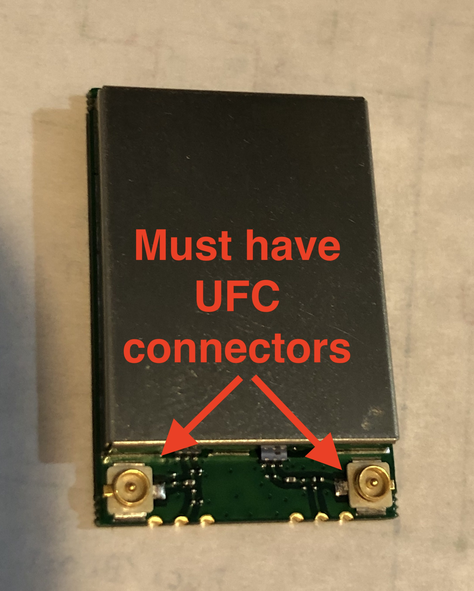
Type to enter a caption.
 |  | Customer provide |  |  | U5 U4 | 1 |  | High Cloud | HC-R8812AF1
 |  |  | total
 |  |  |  |  | U5 U4
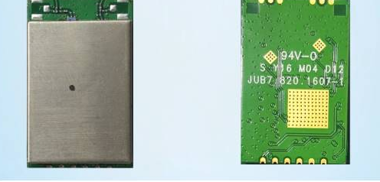
 | $2,115.300

